What is Subplotting& it's Comp
MATPLOTLIB (BASICS) SUBPLOTTING | REFERENCE

Q Why do we need Matplotlib Subplotting Despite We can Create Multiple Plot By Fig , Axes Method in (Matplotlib Basic) ? | ⇰REFERENCE (Website)-->Udemy (Matplotlib Subplotting) Regarding Matplot Subplotting Functionality

⇰Now since we already know how to create a figure object as well as add a set of axes to it.In theory, we could create a figure object and then manually add and the range sets of axes to line up multiple plots side by side. So we could have one plot on the left and one plot on the right, or maybe a two by two matrix of plots.However, to save us time map plot lib actually comes with a pre configured function call called plt .subplots that automatically does this for us.(ATTACHED LINK (For (Excel)Matplot Fig & Axes)→

 | ⇰REFERENCE (Excel Sheet)--> (1.1) Matplotlib Basics (Figures & Axes)

Q. So Now Question is What is Subplotting & How it Work? | ⇰REFERENCE (Website)--> Naukri.com Regarding Meaning of Subplotting plt.subplots()

⇰The plt.subplots() call allows us to easily create a figure and an axis object in side by side formations & what's nice about this is that the plot.subplots() command actually returns a tuple. So that tuple is going to create the figure canvas and then the other axes object is essentially a numpy array holding the axes objects.

 | ⇰REFERENCE (Website)--> Matplotlib Regarding Meaning of Matplotlib plt.subplots()

 | ⇰REFERENCE (Website)-->W3Schools Regarding Matplotlib.subplots()

⇰So what this actually looks like is when you call plt.subplots, you provide the number of rows and number of columns 1by1 you want for your actual set of axes, and then it's going to return both objects separately as a tuple.So you can then just assign it fig and then axes or axes is going to be a numpy array holding the individual axes objects. In This Case no of rows =1 & no of columns =2

 | ⇰REFERENCE (Website)-->Geeks for Geeks Regarding Matplotlib.subplots()



⇰So for instance, if you wanted to expand this to maybe be two rows by two columns (2by2) , it would return something like this.

So Here 's The Main Components of Subplotting

⇰The main idea here is that it returns both your figure canvas and then this axes object, which is a numpy array (Remember Numpy array is Dimensional Array & in Matrix it useful for Indexing Purpose)that you can index to actually grab the axes to then plot on top of. So I keep mentioning this, but just to be clear, subplots going to return that tuple and by convention we label it fig axes where fig is the entire figure canvas and axes is that numpy array & the way it's organized is that it holds each of those individual map plot lib axes, objects according to position in the overall canvas. | ⇰REFERENCE (Website)-->Udemy (Matplotlib Subplotting) Regarding Matplotlib Functionality & Basic Mantra of Subplotting

 | ⇰REFERENCE (Excel Sheet)-->(1.1)Matplotlib Basics Regarding Meaning of Fig & Axes

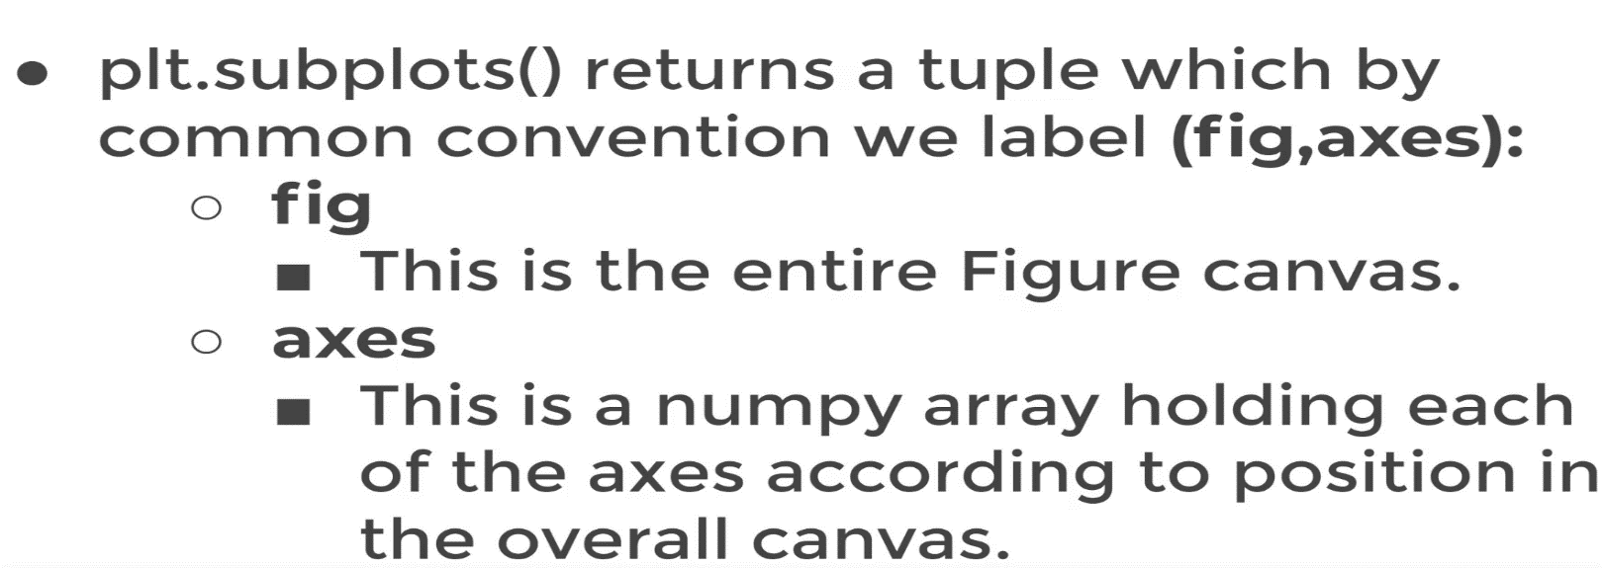

Plotting on Axes Basis on Main fig Canvas & Using Indexing toSelect Axes & Customize Each Axes with Example

→What if Subplot Created Having One Row & 2 Column (1R& 1C) & How to Customize Each Subplot

⇰plt.subplots creates a figure and a grid of subplots with a single call, while providing reasonable control over how the individual plots are created. Like in This case In which We assign two type of Data (X,y) Which Depict Exponential Relationship & Plotted on left hand side because it is associated with axes 0. same goes to Other Datset (a,b) which depict linear relationship & plotted on right hand side because it is associated with axis 1. | ⇰REFERENCE (Website)-->Matplotlib Regarding Indexing of Different Axes (Plotting)

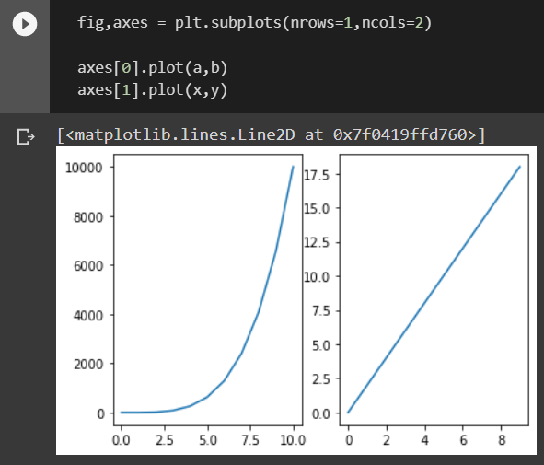 | ⇰REFERENCE (Website)--> Google Colab (1.2 )Matplotlib Subplotting Regarding plt.subplots

→What if Subplot Created Having 2 Row & 2 Column (2R & 2C) & How to Customize Each Subplot

Subplotting 's Params( )
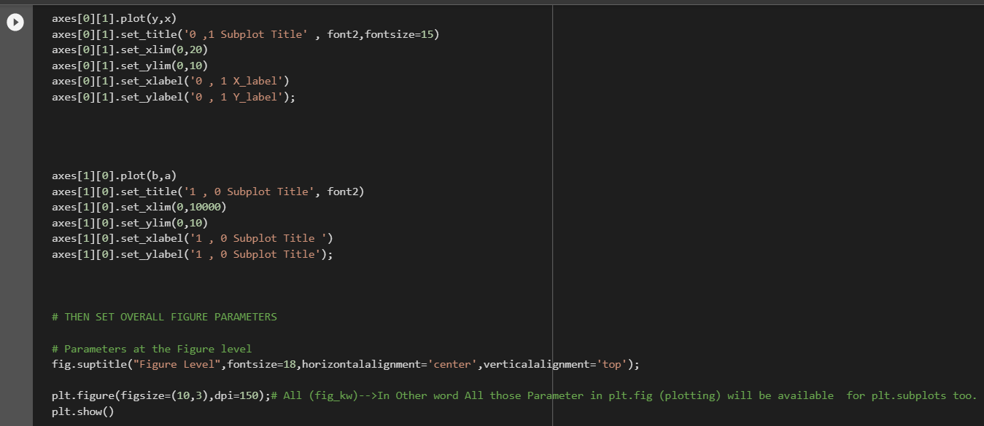
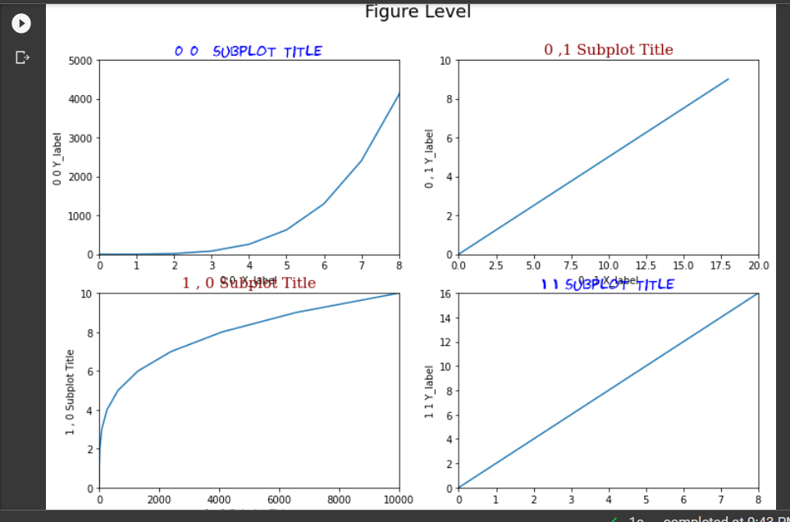
MATPLOTLIB SUBPLOTTING 'S HYPER PARAMETER | REFERENCE

 | ⇰REFERENCE (Website)-->Matplotlib Regarding Param nrows() & ncols()

 | ⇰REFERENCE (Website)-->Stackoverflow Regarding Param nrows() & ncols()

(fig_kw)--> All additional keyword arguments are passed to the plt.figure call . In Other word All those Parameter in plt.fig (plotting) will be available for plt.subplots too. (Link Attached) | ⇰REFERENCE (Website)-->Matplotlib Regarding Parameter (fig_kw)

⇰nrows, ncols : int, default: 1 →Number of rows/columns of the subplot grid. Basically Think Like (Matrix Basis in Numpy Lesson) Where Various Multiplot (Axes) are Assigned on Canvas (Fig). Let 's Undertstand with Example | ⇰REFERENCE (Website)-->Matplotlib Regarding Param nrows() & ncols()

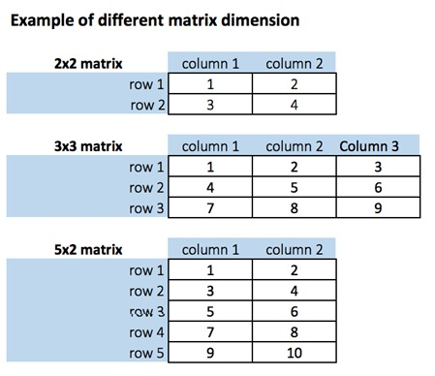

❶So what this actually looks like is when you call plt.subplots, you provide the number of rows and number of columns 1by1 you want for your actual set of axes, and then it's going to return both objects separately as a tuple.So you can then just assign it fig and then axes or axes is going to be a numpy array holding the individual axes objects. In This Case no of rows =1 & no of columns =2

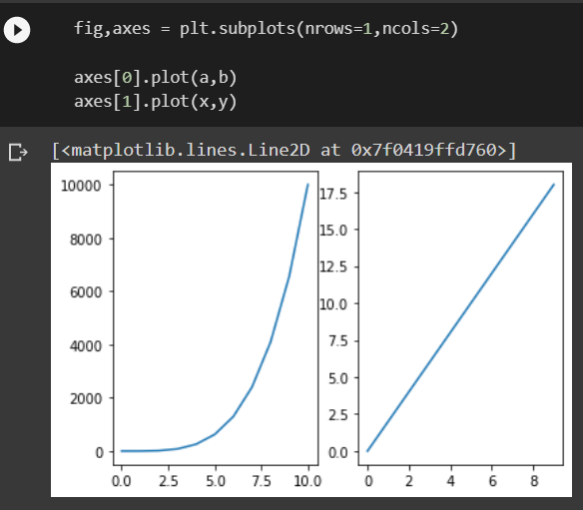

❷So for instance, if you wanted to expand this to maybe be two rows by two columns (2by2) , it would return something like this.

❸Remember If We Plot 2 Dimensional in Numpy Array You notice it now creates that two by two set of axes on that plot, but it says, Hey, I'm getting an error.This is a really common error for beginners to get when they're first dealing with plt.subplots .That's subplots and it says this array object has no attribute plot.And the reason for that is now since I have two rows by two columns, this numpy array of axes is actually two dimensional.

⇰axes[0][0].set_xlim(xlabel, fontdict=None, labelpad=None, *, loc=None) The Axes. set_xlabel() function in axes module of matplotlib library is used to set the label for the x-axis at Axes Accordingly When Plot is Created with (Fig ,axes) method(OOB 2nd Method )axes Level . (Pl check Attached Link Above) | ⇰REFERENCE (Website)-->Matplotlib Regarding Set_xlim usage in Respect to Limiting X values

⇰axes[0][0].set_ylim(self, xlabel, fontdict=None, labelpad=None) The Axes. set_xlabel() function in axes module of matplotlib library is used to set the label for the y-axis at Axes Accordingly When Plot is Created with (Fig,axes) method By OOB 2nd Method axes Level . (Pl check Attached Link Above)
 | ⇰REFERENCE (Website)-->Matplotlib Regarding Set_ylim usage in Respect to Limiting Y values

⇰axes[0][0].set_title (self, xlabel, fontdict=None, labelpad=None) The Axes.set_title() function in axes module of matplotlib library is used to set a title for the axes. | ⇰REFERENCE (Website)-->Stackoverflow Regarding How to increase plt.title , font size?

⇰axes[0][0].set_xlabel (self, xlabel, fontdict=None, labelpad=None) Set the label for the x-axis for the axes . | ⇰REFERENCE (Website)-->W3School Regarding How to increase plt.title,plt.xlabel,plt.ylabel font size?

⇰axes[0][0].set_ylabel (self, xlabel, fontdict=None, labelpad=None) Set the Label for the y-Axis for the axes. | ⇰REFERENCE (Website)--> W3School Regarding How to Increase plt.title, plt.xlabel,plt.ylabel , font size

⇰fig.suptitle(t="Figure Level",fontsize=16 ) Add a centered suptitle to the figure.
 | ⇰REFERENCE (Website)-->Matplotlib Regarding axes.set.xlabel()

❶ t : str The suptitle text.

❷ x : float, default: 0.5 The x location of the text in figure coordinates. | ⇰REFERENCE (Website)-->Matplotlib Regarding axes.set.ylabel()

❸y :float, default: 0.98 The y location of the text in figure coordinates.
 | ⇰REFERENCE (Website)-->Matplotlib Regarding axes.set.titlel()
❹ horizontalalignment, ha{'center', 'left', 'right'}, default: center The horizontal alignment of the text (Main Fig Title) relative to (x, y) You Can Change horizontal Alignment. In other Word horizontalalignment controls whether the x positional argument for the text indicates the left, center or right side of the text bounding box.

 | ⇰REFERENCE (Website)--> Matplotlib Regarding Parameter Suptitle
❺verticalalignment, va{'top', 'center', 'bottom', 'baseline'}, default: top verticalalignment controls whether the y positional argument for the text indicates the bottom, center or top side of the text bounding box.

❻ multialignment , ha{'center', 'left', 'right'}, default: center multialignment, for newline separated strings only, controls whether the different lines are left, center or right justified. | ⇰REFERENCE (Website)--> Matplotlib Regarding Parameter Horizontal , Vertical , Multi Alignment

(fig_kw)--> All additional keyword arguments are passed to the plt.figure call . In Other word All those Parameter in plt.fig (plotting) will be available for plt.subplots too. (Link Attached) | ⇰REFERENCE (Website)-->Matplotlib Regarding Parameter (fig_kw)

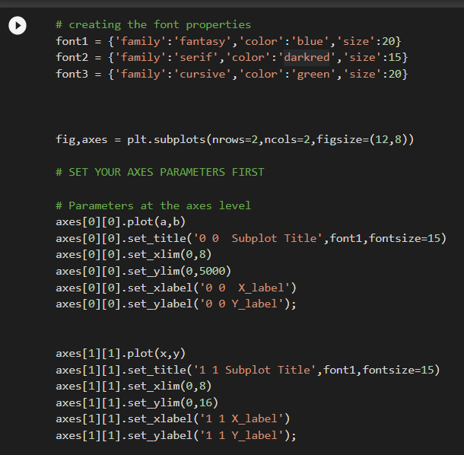

 | ⇰REFERENCE (Website)--> Stackoverflow Regarding Horizontal alignment of multi-line text in a matplotlib text box

 | ⇰REFERENCE (Website)-->Stackoverflow Regarding How to set a single, main title above all the subplots with Pyplot?

 | ⇰REFERENCE (Website)--> Stackoverflow Regarding Matplotlib Plot's Title and Suptitle are Not Aligned

